2025 recs
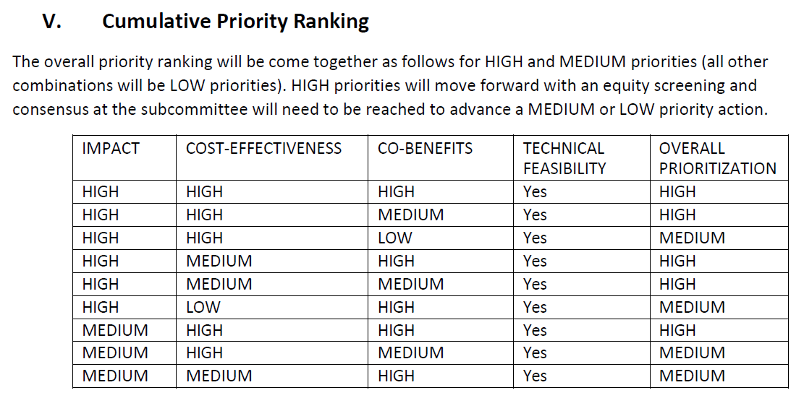
Cross Sector Mitigation: Transportation Task Group Recommendations |  |  | Status | Impact (High/Moderate/ Low) | Cost - Effectiveness (High/Medium/Low) | Co-Benefits (High/Medium/Low) | Technical Feasability (yes/no) | Overall Priroritization
Pathway 1: Adopt a cap and invest policy to reduce emissions, including but not limited to transportation, focused on achieving GWSA requirements and creating a sustainable revenue source to fund necessary carbon-reducing transportation programs. | Strategy 1: Adopt a cap and invest policy including but not necessarily limited to transportation fuels. | ACTION: Establish the authroity for ANR to set a cap and collect proceeds for revenue generation. |  | High | High* | High* | High* | High
Pathway 2: Reduce greenhouse gas (GHG) emissions from vehicles | Strategy 1: Market-Driving Technology Forcing Regulatory Programs (Vehicle Emissions Standards) | 1. ACTION: Continue to monitor and maintain Vermont’s adoption of the California Advanced Clean Cars II (ACC II) regulation, amending Vermont’s existing Low and Zero Emission Vehicle Regulations as needed to maintain identicality. |  | High | High | High | Yes | High
 |  | 2. ACTION: Require the Agency of Natural Resources to fully evaluate California’s Advanced Clean Fleets regulation and explore and advise on Vermont adopting Advanced Clean Fleets as a complementary program to other ZEV programs. |  | TBD | TBD | TBD | Yes | High
 |  | 3. ACTION: If California’s waiver is revoked by EPA or if a judicial outcome otherwise voids CA authority, the Vermont Department of Environmental Conservation (DEC) shall continue to collaborate with proponents of California’s authority and associated stringent motor vehicle emissions standards of ACC II, Advanced Clean Trucks (ACT), Heavy Duty Omnibus (HDO), and Greenhouse Gas Phase 2 rules. DEC shall continue engagement of multi-state discussions as well as provide input on potential agreements that accomplish significant reductions in GHG emissions from motor vehicles, impactful health benefits, acceleration of the EV market, support a just and equitable transition to EVs, and moves the State toward meeting required GHG emissions reduction targets. |  | TBD | TBD | TBD | TBD | TBD
 |  | 4. ACTION: In the event that EPA revokes California’s waiver to enforce the aforementioned rules, urge the Vermont Attorney General to join and participate in any litigation defending California’s authority under the Clean Air Act. |  | TBD | TBD | TBD | TBD | TBD
 |  | 5. ACTION: If California’s motor vehicle emissions standards are no longer enforceable in Vermont due to waiver revocation by the US EPA, the DEC shall explore Indirect Source Rules. |  | TBD | TBD | TBD | TBD | TBD
Pathway 2: Reduce greenhouse gas (GHG) emissions from vehicles | Strategy 2: Light and Heavy Duty Electric Vehicle Purchase Incentives and Programs | 1. ACTION: Expand Point of Sale Purchase Incentives for new and used Electric Vehicles and E-bikes and design them to maximize GHG emissions reductions and energy cost burden reductions for low- and moderate-income Vermonters. Require VTRANS to design and create a statewide high-mileage user vehicle incentive program to maximize cost- and carbon-savings benefits via more targeted incentives. |  | High | High | High | Yes | High
 |  | 2. ACTION : Ensure long-term, consistent and sufficient funding for core programs in line with GWSA targets for electric vehicle adoption, including core programs such as point of sale purchase incentives, Mileage Smart, transit and micro-transit, heavy-duty vehicles etc in future state budgets and T-Bills. Amend program eligibility and parameters as informed by ongoing data tracking and analysis. |  | High | High | High | Yes | High
 |  | 3. ACTION: Require the Public Utility Commission to consider and advance solutions that make electric vehicle charging rates and incentives as consistent as possible across utilities to ensure equitable access and benefits. |  | TBD | TBD | TBD | Yes | High
 |  | 4. ACTION: Design and implement a vehicle efficiency price adjustment that’s linked to the “purchase and use” tax for new vehicles within a vehicle class. The program will help incentivize the purchase of more efficient new vehicles (electric vehicles in particular) and disincentivize purchase of less efficient vehicles. |  | High | High | High | Yes | High
Pathway 2: Reduce greenhouse gas (GHG) emissions from vehicles | Strategy 3: Electrify medium and heavy-duty vehicle auxiliary systems | 1. Action: Fund programs that incentivize electric auxiliary systems, such as (but not limited to) hybrid-electric bucket trucks and electric transport refrigeration units and programs that incentivize installation of electrified parking spaces in truck loading/unloading zones. |  | High | Medium | High | Yes | High
Pathway 2: Reduce greenhouse gas (GHG) emissions from vehicles | Strategy 4: Public Investment in and Maintenance of Electric Vehicle Supply Equipment (EVSE) | 1. ACTION: Continue coordinated efforts within Vermont and across the region to support sufficient investment for the equitable deployment of DCFC and Level 2 EVSE . |  | TBD | High | High | Yes | High
 |  | 2. ACTION: Direct the PUC to consider and develop beneficial EV charging rates to incentivize EV adoption through lower fuel costs. Additional investigation and coordination with utilities is needed to inform the rate design and to ensure that the rate promotes and enables managed charging and the benefits a flexible EV load can bring to the grid. |  | TBD | TBD | TBD | Yes | High
 |  | 3. ACTION: Explore and advance Right to Charge policies for multi-family, condominium and rental units. |  | TBD | TBD | TBD | TBD | High
 |  | 4. ACTION: Continue to support distribution utility innovation to foster increasing customer participation in managed charging programs to maximize cost and carbon benefits . This should be informed by the Vermont System Planning Committee’s Flexible Load Management Working Group and VELCO’s Long-Range Transmission Plan to ensure grid stability and resilience. |  | TBD | TBD | TBD | TBD | TBD
 |  | 5. ACTION: Maintain and/or establish requirements on EVSE installers to ensure timely and continued maintenance of EV charging equipment and up-time standards. |  | TBD | TBD | TBD | Yes | TBD
 |  | 6. ACTION: Work to ensure consistent and equitable treatment of EVSE infrastructure buildout (for public, private, residential, commercial, rural). To identify the most effective/cost-effective solutions, task the state’s Interagency Working Group and Drive Electric Vermont to explore and recommend strategies and solutions for EVSE deployment to serve renters, multi-family units and rural communities in particular. |  | TBD | TBD | TBD | TBD | TBD
Pathway 2: Reduce greenhouse gas (GHG) emissions from vehicles | Strategy 5: Educate drivers on benefits of electrification | Engage and support key stakeholders such as the Clean Cities Coalition, Efficiency Vermont, Drive Electric Vermont, Vermont Energy Education Program, fleet owners and others to raise public awareness about electric vehicles, electric bikes and new or needed programs to elevate awareness and interest in cleaner vehicles. |  | TBD | TBD | TBD | Yes | TBD
Pathway 3: Lower the carbon intensity of fuels | Strategy 1: Consider establishing a Clean Fuels Standard | ANR should use the results of the Vermont Greenhouse Gas Policy Analysis (Climate Policy Study) to further conisder the effects of developing a program to lower the carbon intensity of fuels for transportation as a standalone policy. |  | TBD | TBD | TBD | Yes | TBD
Pathway 4: Reduction in Vehicle Miles Traveled (VMT) | Strategy 1: Promote smart growth concentrated, mixed use development patterns. | 1. ACTION: Expand Downtown and Village Center tax credits and sales tax reallocations to make development and redevelopment in existing compact locations more financially feasible and in line with the. |  | TBD | TBD | TBD | TBD | TBD
 |  | 2. ACTION: Provide additional incentives and/or state and federal funding prioritization for “smart growth” zoning to allow more compact, mixed-use development and reduce barriers for affordable housing. For example, Massachusetts’ Chapter 40R program provides fiscal incentives for municipalities that rezone areas meeting specific density and location criteria. AND/OR |  | TBD | TBD | Medium | TBD | TBD
 |  | 3. ACTION: Require towns that benefit from or receive public transit service to update zoning bylaws to promote housing options. |  | TBD | TBD | High | TBD | TBD
 |  | 4. ACTION: Increase technical support for municipalities to update zoning and subdivision regulations. |  | TBD | TBD | TBD | TBD | TBD
 |  | 5. ACTION: VTrans, other agencies and the RPCs should undertake research and evaluate the VMT implications of state policies and mandates such as regional dispersion of job centers and consolidation of education and health care. |  | TBD | TBD | High | TBD | TBD
Pathway 4: Reduction in Vehicle Miles Traveled (VMT) | Strategy 2: Develop state, regional and local capacity to undertake transportation planning and investment in alternative modes. | 1. ACTION: Support of RPCs and municipalities to develop local and regional multi-modal transportation planning and investment priorities. |  | Low | Low | High | Yes | Low
 |  | 2. ACTION : Develop a VTrans Sustainable Transportation Implementation Strategy that addresses relevant actions, available funding, and investments to meet the CAP VMT reduction targets. This includes use of VMT performance measures and the CRS tool to guide spending at the state regional and local levels aimed at meeting the CAP goals. |  | Low | Low | High | Yes | Low
 |  | 3. ACTION: Identify sustainable funding sources in order to prioritize investments across transportation modes to address transportation access for all, quality of life, health, economic development and other factors. |  | TBD | TBD | High | TBD | TBD
 |  | 4. ACTION: Plan for and invest in the interconnection of modes to promote a seamless, efficient transportation system. |  | TBD | TBD | TBD | TBD | TBD
Pathway 4: Reduction in Vehicle Miles Traveled (VMT) | Strategy 3: Increase the availability and knowledge of transportation options that increase transit and passenger rail use to decrease single occupancy vehicle trips | 1. ACTION: Support communities in implementing context appropriate micro-transit and other appropriate mode options according to the VTrans Mobility Services Guide. |  | TBD | TBD | High | TBD | TBD
 |  | 2. ACTION: Continue to support Go-Vermont and other travel options programs by growing active user by 10% each year.
 |  | 3. ACTION: Continue the state's commitment to Amtrak and inter-city bus service. |  | Low | Low | Low | Yes | Low
Pathway 4: Reduction in Vehicle Miles Traveled (VMT) | Strategy 4: Increase walking and biking to most effectively reduce emissions and replace vehicle trips. | 1. ACTION: Collect pedestrian and bike use and other data to better inform state and federal investment. |  | TBD | TBD | TBD | TBD | TBD
 |  | 2. ACTION: Annually track and report compliance with Vermont's Complete Streets Policy. |  | Low | Low | High | Yes | Low
 |  | 3. ACTION: Assess and revise as needed... Vermont State Highway design standards and policies...to encourage active transportation safety in a locational context. |  | TBD | TBD | TBD | TBD | TBD
 |  | 4. ACTION: Prioritize funding in designated development areas. |  | TBD | TBD | High | TBD | TBD
Pathway 4: Reduction in Vehicle Miles Traveled (VMT) | Strategy 5: Increase access to broad band to support telework, telemedicine and other functions that avoid vehicle trips. | 1. ACTION: Complete the Vermont rural broadband expansion by 2030 to serve all Vermonters. |  | TBD | TBD | High | TBD | TBD
 |  | 2. ACTION: VTrans and the RPCs should undertake research and evaluate the VMT impacts/emissions reductions of remote work/school/tele health. |  | Low | Low | High | Yes | Low

